Calcs
 | https://onlinelibrary.wiley.com/doi/epdf/10.1111/gcb.14677 |  |  |  |  |  |  |  |  |  |  |  |  | 1 teragram = 1e+12 grams = 1 million metric ton
 | Effects of 21st-century climate, land use, and disturbances on ecosystem carbon balance in California |  |  |  |  |  |  |  |  |  |  |  |  |  |  |  |  | Fire events were projected based on (a) the expected annual burn
 |  | Stocks |  |  |  | Fluxes |  |  | (Tg C) |  |  |  | LULCC = land use and land cover change |  |  |  |  | area within an ecoregion as provided by the exogenous statistical fire model;
 | Timestep | Live | DOM | Soil | TEC | NPP | Rh | NEP | LULCC | NECB | Transfer |  | NECB = net ecosystem carbon balance |  |  |  |  | (b) the relative probability of an individual cell experiencing a fire; (c) the
 | 2001 | 1804.3 | 375.9 | 2643 | 4823.1 | - | - | - | - | - | - |  | NEP = net ecosystem productivity |  |  |  |  | stationary distribution of fire size as calculated from historical fire maps
 | 2002 | 1782.6 | 371.5 | 2639.9 | 4794 | 136.2 | 126 | 10.1 | 37.5 | -27.3 | 1.8 |  | NPP = net primary production |  |  |  |  | for each ecoregion; and (d) the distribution of fire severity classes as calculated
 | 2003 | 1783.1 | 368.7 | 2634.8 | 4786.7 | 155.9 | 124.7 | 31.2 | 37.5 | -6.3 | 2.9 |  | DOM = dead organic matter |  |  |  |  | from historical fire maps for each ecoregion.
 | 2004 | 1791 | 373.2 | 2628.6 | 4792.9 | 165.6 | 121 | 44.6 | 37.3 | 7.2 | 3.9 |  | Rh = heterotrophic respiration
 | 2005 | 1827.5 | 379.5 | 2623.4 | 4830.4 | 198.2 | 119.1 | 79.1 | 40.5 | 38.6 | 5.1 |  | TEC = total ecosystem carbon
 | 2006 | 1826.3 | 386.4 | 2621.1 | 4833.8 | 168.6 | 121.1 | 47.5 | 43 | 4.5 | 6.2
 | 2007 | 1775.3 | 387.9 | 2619.7 | 4782.9 | 108.2 | 121.9 | -13.7 | 36.4 | -50.1 | 7.1 |  | *Cumulatively over the 2001-2015 period, LULC and disturbances
 | 2008 | 1756.1 | 382.2 | 2614.9 | 4753.3 | 138.5 | 118.6 | 19.9 | 48.7 | -28.7 | 8.1 |  | resulted in 535.7 Tg C being removed from terrestrial ecosystems
 | 2009 | 1740.9 | 383 | 2609.5 | 4733.4 | 132.6 | 116.1 | 16.4 | 35.7 | -19.2 | 8.7 |  | **When averaged across all scenario simulations, carbon stored in
 | 2010 | 1799.3 | 389.2 | 2604.4 | 4793 | 209.4 | 109.2 | 100.1 | 40 | 60.1 | 9.4 |  | terrestrial ecosystems was projected to decline by -432.3 Tg C between
 | 2011 | 1780.7 | 402.3 | 2605.5 | 4788.4 | 144.4 | 113.4 | 31 | 35.1 | -4.1 | 9.8 |  | 2015 and 2100, representing a loss of -9.4% from 2015 levels.
 | 2012 | 1781.7 | 393.2 | 2607 | 4781.9 | 155.9 | 123.7 | 32.2 | 38.4 | -6.2 | 10.2 |  | ***Under the 'BAU' scenario, which explored an extrapolation of recent |  |  |  |  |  |  | (page 12)
 | 2013 | 1698.3 | 387.5 | 2605.4 | 4691.2 | 63.7 | 121.9 | -58.2 | 31.6 | -89.8 | 11.2 |  | historical rates of change, ecosystem carbon was projected to decline by a |  |  |  |  |  |  |  | 479.2
 | 2014 | 1705.5 | 365 | 2597.3 | 4667.8 | 142.4 | 127.9 | 14.5 | 37 | -22.5 | 12.2 |  | cumulative -479.2 Tg C by 2100 (-5.6 Tg C/year)
 | 2015 | 1658.5 | 376.9 | 2586.9 | 4622.3 | 113.1 | 120.7 | -7.6 | 37 | -44.6 | 13.1 |  |  | "high" scenario resulted in the largest net decline = -521.7 Tg C
 |  |  |  |  |  |  |  |  | 535.7 |  |  |  |  | Relative to the "high" land-use scenario, ecosystems sequestered an additional -1.1 Tg C/year
 |  |  |  |  |  |  |  |  |  |  |  |  |  | under the "medium" land-use scenario and -2.5 Tg C/year under the "low" scenario
 | Annual carbon emissions, removed from ecosystems, and released into the atmosphere
units | 2002 | 2003 | 2004 | 2005 | 2006 | 2007 | 2008 | 2009 | 2010 | 2011 | 2012 | 2013 | 2014 | 2015 | 2016 | 2017 | 2018 | 2019 | 2020 | 2021 | 2022 | 2023 | 2024 | 2025 | 2026 | 2027 | 2028 | 2029 | 2030 | 2031 | 2032 | 2033 | 2034 | 2035 | 2036 | 2037 | 2038 | 2039 | 2040 | 2041 | 2042 | 2043 | 2044 | 2045 | 2046 | 2047 | 2048 | 2049 | 2050 | 2051 | 2052 | 2053 | 2054 | 2055 | 2056 | 2057 | 2058 | 2059 | 2060 | 2061 | 2062 | 2063 | 2064 | 2065 | 2066 | 2067 | 2068 | 2069 | 2070 | 2071 | 2072 | 2073 | 2074 | 2075 | 2076 | 2077 | 2078 | 2079 | 2080 | 2081 | 2082 | 2083 | 2084 | 2085 | 2086 | 2087 | 2088 | 2089 | 2090 | 2091 | 2092 | 2093 | 2094 | 2095 | 2096 | 2097 | 2098 | 2099 | 2100
Tg C | 37.5 | 37.5 | 37.3 | 40.5 | 43 | 36.4 | 48.7 | 35.7 | 40 | 35.1 | 38.4 | 31.6 | 37 | 37 | 5.6376470588 | 5.6376470588 | 5.6376470588 | 5.6376470588 | 5.6376470588 | 5.6376470588 | 5.6376470588 | 5.6376470588 | 5.6376470588 | 5.6376470588 | 5.6376470588 | 5.6376470588 | 5.6376470588 | 5.6376470588 | 5.6376470588 | 5.6376470588 | 5.6376470588 | 5.6376470588 | 5.6376470588 | 5.6376470588 | 5.6376470588 | 5.6376470588 | 5.6376470588 | 5.6376470588 | 5.6376470588 | 5.6376470588 | 5.6376470588 | 5.6376470588 | 5.6376470588 | 5.6376470588 | 5.6376470588 | 5.6376470588 | 5.6376470588 | 5.6376470588 | 5.6376470588 | 5.6376470588 | 5.6376470588 | 5.6376470588 | 5.6376470588 | 5.6376470588 | 5.6376470588 | 5.6376470588 | 5.6376470588 | 5.6376470588 | 5.6376470588 | 5.6376470588 | 5.6376470588 | 5.6376470588 | 5.6376470588 | 5.6376470588 | 5.6376470588 | 5.6376470588 | 5.6376470588 | 5.6376470588 | 5.6376470588 | 5.6376470588 | 5.6376470588 | 5.6376470588 | 5.6376470588 | 5.6376470588 | 5.6376470588 | 5.6376470588 | 5.6376470588 | 5.6376470588 | 5.6376470588 | 5.6376470588 | 5.6376470588 | 5.6376470588 | 5.6376470588 | 5.6376470588 | 5.6376470588 | 5.6376470588 | 5.6376470588 | 5.6376470588 | 5.6376470588 | 5.6376470588 | 5.6376470588 | 5.6376470588 | 5.6376470588 | 5.6376470588 | 5.6376470588 | 5.6376470588 | 5.6376470588 | 5.6376470588 | 5.6376470588
grams | 37500000000000 | 37500000000000 | 37300000000000 | 40500000000000 | 43000000000000 | 36400000000000 | 48700000000000 | 35700000000000 | 40000000000000 | 35100000000000 | 38400000000000 | 31600000000000 | 37000000000000 | 37000000000000 | 5.6376470588E+12 | 5.6376470588E+12 | 5.6376470588E+12 | 5.6376470588E+12 | 5.6376470588E+12 | 5.6376470588E+12 | 5.6376470588E+12 | 5.6376470588E+12 | 5.6376470588E+12 | 5.6376470588E+12 | 5.6376470588E+12 | 5.6376470588E+12 | 5.6376470588E+12 | 5.6376470588E+12 | 5.6376470588E+12 | 5.6376470588E+12 | 5.6376470588E+12 | 5.6376470588E+12 | 5.6376470588E+12 | 5.6376470588E+12 | 5.6376470588E+12 | 5.6376470588E+12 | 5.6376470588E+12 | 5.6376470588E+12 | 5.6376470588E+12 | 5.6376470588E+12 | 5.6376470588E+12 | 5.6376470588E+12 | 5.6376470588E+12 | 5.6376470588E+12 | 5.6376470588E+12 | 5.6376470588E+12 | 5.6376470588E+12 | 5.6376470588E+12 | 5.6376470588E+12 | 5.6376470588E+12 | 5.6376470588E+12 | 5.6376470588E+12 | 5.6376470588E+12 | 5.6376470588E+12 | 5.6376470588E+12 | 5.6376470588E+12 | 5.6376470588E+12 | 5.6376470588E+12 | 5.6376470588E+12 | 5.6376470588E+12 | 5.6376470588E+12 | 5.6376470588E+12 | 5.6376470588E+12 | 5.6376470588E+12 | 5.6376470588E+12 | 5.6376470588E+12 | 5.6376470588E+12 | 5.6376470588E+12 | 5.6376470588E+12 | 5.6376470588E+12 | 5.6376470588E+12 | 5.6376470588E+12 | 5.6376470588E+12 | 5.6376470588E+12 | 5.6376470588E+12 | 5.6376470588E+12 | 5.6376470588E+12 | 5.6376470588E+12 | 5.6376470588E+12 | 5.6376470588E+12 | 5.6376470588E+12 | 5.6376470588E+12 | 5.6376470588E+12 | 5.6376470588E+12 | 5.6376470588E+12 | 5.6376470588E+12 | 5.6376470588E+12 | 5.6376470588E+12 | 5.6376470588E+12 | 5.6376470588E+12 | 5.6376470588E+12 | 5.6376470588E+12 | 5.6376470588E+12 | 5.6376470588E+12 | 5.6376470588E+12 | 5.6376470588E+12 | 5.6376470588E+12 | 5.6376470588E+12 | 5.6376470588E+12

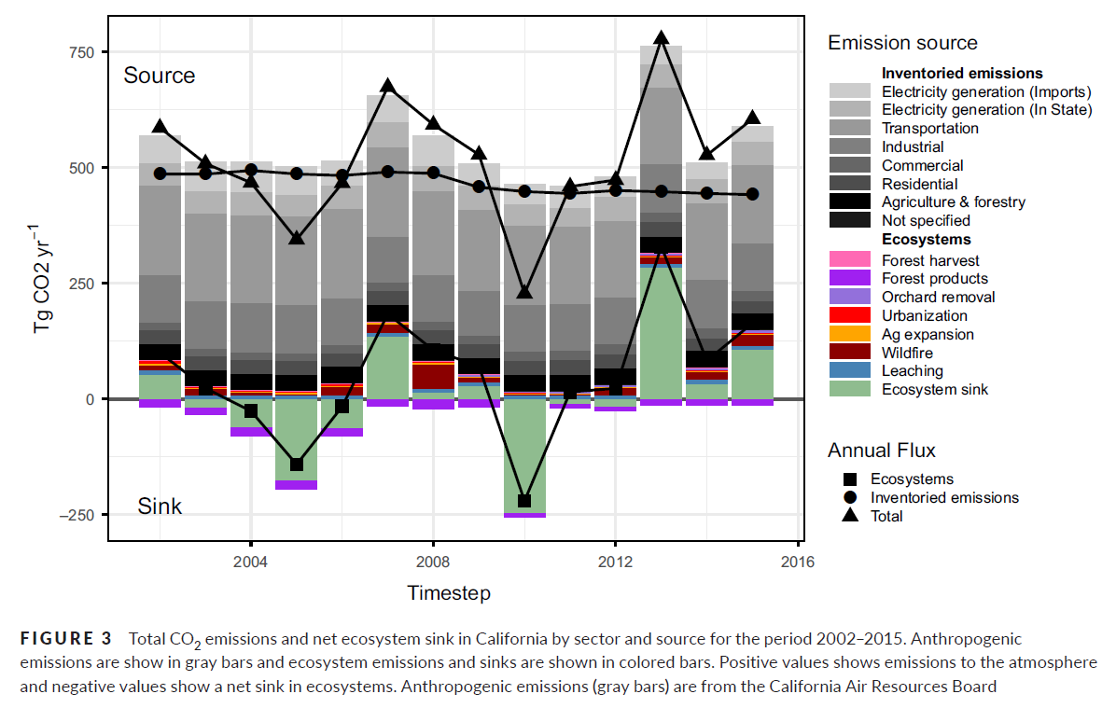
https://ww2.arb.ca.gov/sites/default/files/2021-07/Wildfire%20Emission%20Estimates%20for%202020%20_Final.pdf |  |  |  |  |  |  |  |  |  |  |  | Figure 3, from Effects of 21st‐century climate, land use, and disturbances on ecosystem carbon balance in California
Wildfire Emission Estimates for 2020 |  |  |  |  |  |  |  |  |  |  |  |  |  |  |  |  |  |  |  |  |  |  |  |  | pixels | 125
 | CO2 in million metric tons |  |  | 106.7 |  |  |  |  |  |  |  |  |  |  |  |  |  |  |  |  |  |  |  |  | Tg CO2 | 250 |  | 1000000000000
 |  |  | grams CO2 | 106700000000000 |  |  |  |  |  |  |  |  |  |  |  |  |  |  |  |  |  |  |  |  |  | Measurements of wildfire bars:
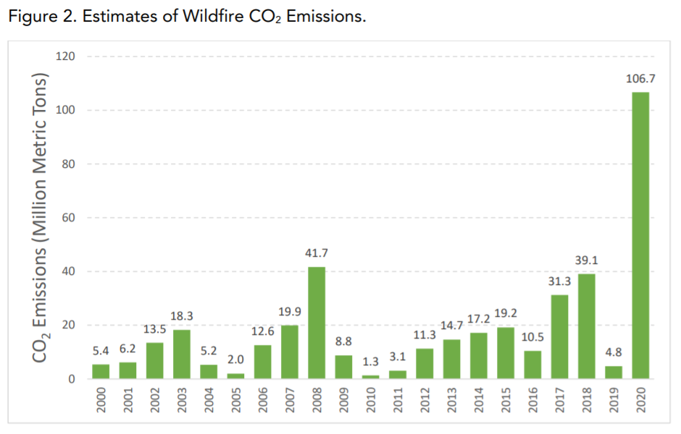
 |  |  |  |  |  |  |  |  |  |  |  |  |  |  |  |  |  |  |  |  |  |  |  |  |  | 2002 | 2003 | 2004 | 2005 | 2006 | 2007 | 2008 | 2009 | 2010 | 2011 | 2012 | 2013 | 2014 | 2015
 |  |  |  |  |  |  |  |  |  |  |  |  |  |  |  |  |  |  |  |  |  |  |  |  | pixels | 6 | 7 | 3 | 1 | 9 | 11 | 27 | 6 | 1 | 1 | 8 | 8 | 9 | 12
 |  |  |  |  |  |  |  |  |  |  |  |  |  |  |  |  |  |  |  |  |  |  |  |  | Tg CO2 | 12 | 14 | 6 | 2 | 18 | 22 | 54 | 12 | 2 | 2 | 16 | 16 | 18 | 24
 |  |  |  |  |  |  |  |  |  |  |  |  |  |  |  |  |  |  |  |  |  |  |  |  | grams CO2 | 12000000000000 | 14000000000000 | 6000000000000 | 2000000000000 | 18000000000000 | 22000000000000 | 54000000000000 | 12000000000000 | 2000000000000 | 2000000000000 | 16000000000000 | 16000000000000 | 18000000000000 | 24000000000000

 | Estimates of Wildfire CO2 Emissions
units | 2002 | 2003 | 2004 | 2005 | 2006 | 2007 | 2008 | 2009 | 2010 | 2011 | 2012 | 2013 | 2014 | 2015 | 2016 | 2017 | 2018 | 2019 | 2020
MMT | 13.5 | 18.3 | 5.2 | 2 | 12.6 | 19.9 | 41.7 | 8.8 | 1.3 | 3.1 | 11.3 | 14.7 | 17.2 | 19.2 | 10.5 | 31.3 | 39.1 | 4.8 | 106.7
grams | 13500000000000 | 18300000000000 | 5200000000000 | 2000000000000 | 12600000000000 | 19900000000000 | 41700000000000 | 8800000000000 | 1300000000000 | 3100000000000 | 11300000000000 | 14700000000000 | 17200000000000 | 19200000000000 | 10500000000000 | 31300000000000 | 39100000000000 | 4800000000000 | 106700000000000
Average CO2 emissions from 2002 to 2015 |  |  |  | 1.3485714286E+13

 | Figure 3, estimates from graph measurements
 | 2002 | 2003 | 2004 | 2005 | 2006 | 2007 | 2008 | 2009 | 2010 | 2011 | 2012 | 2013 | 2014 | 2015
grams | 12000000000000 | 14000000000000 | 6000000000000 | 2000000000000 | 18000000000000 | 22000000000000 | 54000000000000 | 12000000000000 | 2000000000000 | 2000000000000 | 16000000000000 | 16000000000000 | 18000000000000 | 24000000000000
% diff. | 11% | 23% | -15% | 0% | -43% | -11% | -29% | -36% | -54% | 35% | -42% | -9% | -5% | -25%
Average CO2 emissions from 2002 to 2015 |  |  |  | 1.5571428571E+13

 | Wildfire adjustments for 2016-2020
 | 2016 | 2017 | 2018 | 2019 | 2020
 | -2.9857142857E+12 | 1.7814285714E+13 | 2.5614285714E+13 | -8.6857142857E+12 | 9.3214285714E+13

 | BAU projections through 2050, with wildfire adjustments for the years 2016-2020
 | 2002 | 2003 | 2004 | 2005 | 2006 | 2007 | 2008 | 2009 | 2010 | 2011 | 2012 | 2013 | 2014 | 2015 | 2016 | 2017 | 2018 | 2019 | 2020 | 2021 | 2022 | 2023 | 2024 | 2025 | 2026 | 2027 | 2028 | 2029 | 2030 | 2031 | 2032 | 2033 | 2034 | 2035 | 2036 | 2037 | 2038 | 2039 | 2040 | 2041 | 2042 | 2043 | 2044 | 2045 | 2046 | 2047 | 2048 | 2049 | 2050
 | 37500000000000 | 37500000000000 | 37300000000000 | 40500000000000 | 43000000000000 | 36400000000000 | 48700000000000 | 35700000000000 | 40000000000000 | 35100000000000 | 38400000000000 | 31600000000000 | 37000000000000 | 37000000000000 | 2.6519327731E+12 | 2.3451932773E+13 | 3.1251932773E+13 | -3.0480672269E+12 | 9.8851932773E+13 | 5.6376470588E+12 | 5.6376470588E+12 | 5.6376470588E+12 | 5.6376470588E+12 | 5.6376470588E+12 | 5.6376470588E+12 | 5.6376470588E+12 | 5.6376470588E+12 | 5.6376470588E+12 | 5.6376470588E+12 | 5.6376470588E+12 | 5.6376470588E+12 | 5.6376470588E+12 | 5.6376470588E+12 | 5.6376470588E+12 | 5.6376470588E+12 | 5.6376470588E+12 | 5.6376470588E+12 | 5.6376470588E+12 | 5.6376470588E+12 | 5.6376470588E+12 | 5.6376470588E+12 | 5.6376470588E+12 | 5.6376470588E+12 | 5.6376470588E+12 | 5.6376470588E+12 | 5.6376470588E+12 | 5.6376470588E+12 | 5.6376470588E+12 | 5.6376470588E+12

